Birkenstock
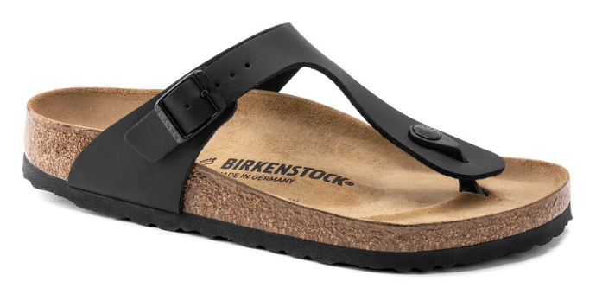

 |  |  |  |  |  |  |  |  | PRICE | RETAIL
STYLE | DESCRIPTION | 30 | 31 | 32 | 33 | 34 | 35 | TOTAL
846143 | Gizeh Kids BF Black Narrow | 471 | 454 | 520 | 526 | 556 | 113 | 2,640 | € 30.00 | € 50.00
 |  |  |  |  |  |  |  | 2,640

